Network
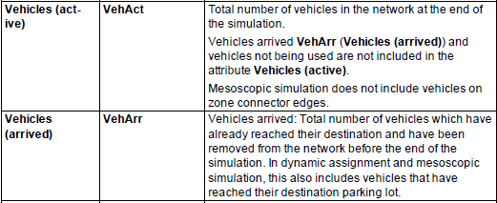
Performance variations of the road network
 |  | Time Interval | Average vehicle delay (seconds) | Average stops | Travel time of all vehicle | Number of Vehicles still in road network | Number of Vehicles still in road network | Vehicles in total | Average Travel Time | CO emission (mg) | NOx emission (mg) | VOC emission (mg)
Scheme I: Original signal timing scheme |  | 100-1000 secs (15 mins) | 51.94 | 0.95 | 216059.9 | 281 | 1065 | 1346 | 160.52 | 2115261 | 411553 | 490232
Signal Timing Schemes | Scheme II: Using computer vision results as inputs in Traffic model+ Simulation based signal timing optimization algorithm |  | 44.52 | 0.77 | 202180.6 | 289 | 1096 | 1385 | 145.98 | 2065859 | 401941 | 478783
 | Scheme III: Using computer vision results as inputs+ Webster algorithm for signal timing optimization |  | 47.79 | 0.83 | 202896.8 | 251 | 1100 | 1351 | 150.18 | 2087155 | 406087 | 483718
 | Scheme IV: Using computer vision results as inputs+ HCM algorithm for signal timing optimization |  | 46.97 | 0.79 | 203255 | 262 | 1098 | 1360 | 149.45 | 2081853 | 405054 | 482489
 | Scheme V: Using ground truth as inputs in Traffic model+ Simulation based signal timing optimization algorithm |  | 43.73 | 0.76 | 201090.5 | 286 | 1102 | 1388 | 144.88 | 2061787 | 401148 | 477839
Absolute Difference | Scheme II vs Scheme I |  | -7.42 | -0.18 | -13879.3 | 8 | 31 | 39 | -14.54 | -49402 | -9612 | -11449
 | Scheme III vs Scheme I |  | -4.15 | -0.12 | -13163.1 | -30 | 35 | 5 | -10.34 | -28106 | -5466 | -6514
 | Scheme IV vs Scheme I |  | -4.97 | -0.16 | -12804.9 | -19 | 33 | 14 | -11.07 | -33408 | -6500 | -7744
 | Scheme V vs Scheme I |  | -8.21 | -0.19 | -14969.4 | 5 | 37 | 42 | -15.64 | -53474 | -10405 | -12393
Relative Difference | Scheme II vs Scheme I |  | -14.3% | -18.9% | -6.4% | 2.8% | 2.9% | 2.9% | -9.1% | -2.3% | -2.3% | -2.3%
 | Scheme III vs Scheme I |  | -8.0% | -12.6% | -6.1% | -10.7% | 3.3% | 0.4% | -6.4% | -1.3% | -1.3% | -1.3%
 | Scheme IV vs Scheme I |  | -9.6% | -16.8% | -5.9% | -6.8% | 3.1% | 1.0% | -6.9% | -1.6% | -1.6% | -1.6%
 | Scheme V vs Scheme I |  | -15.8% | -20.0% | -6.9% | 1.8% | 3.5% | 3.1% | -9.7% | -2.5% | -2.5% | -2.5%

